KKO
KAJIAN KELAYAKAN OPERASI

DAYA LAMA |  |  |  | DAYA BARU
Nama Pelanggan | : | PD LOCKY CHRISTIANTO SUYANTO 5,5-53KVA |  | Nama Pelanggan | : | PD LOCKY CHRISTIANTO SUYANTO 5,5-53KVA
Daya Lama (VA) | : | 5500 |  | Daya Baru (VA) | : | 53000
Jumlah Fasa | : | 1 | * | Jumlah Fasa | : | 3
Tegangan Sekunder Pengukuran rata-rata (Fasa-Netral) (V) | : | 220 | * | Tegangan Sekunder Pengukuran rata-rata (Fasa-Netral) (V) | : | 380
Beban Pelanggan (A) | : | 25.07 |  | Beban Pelanggan (A) | : | 80.53

SUPLAI TRAFO EKSISTING |  |  |  | SUPLAI TRAFO RENCANA
Nomor Tiang | : |  |  | Nomor Tiang | : | K2-603/62
Penyulang | : |  |  | Penyulang | : | PWI09
Daya | : |  | * | Daya | : | 50
Jumlah Fasa | : |  | * | Jumlah Fasa | : | 3
Beban TRAFO (Pengukuran Lapangan) |  | 0 |  | Beban TRAFO | : | 80.53
Beban Primer | : | 0.00 | * | Beban Primer | : | 1.44
Beban Sekunder | : | 0.00 | * | Beban Sekunder | : | 75.97
Beban (A) | : | 0.00 |  | Beban (A) | : | 0.08
Prosentase Pembebanan | : | #DIV/0! |  | Beban (A) | : | 106%
 | 106% | 100%
Prosentase Pembebanan | : | 100% |  | Beban (A) | : | 100%

DATA





DATA
Tahun | : | 2023
Discount Rate | : | 12%
Transfer price TM | : | 1,084 |  | Marginal COST maret 2022
Umur ekonomis (tahun) | : | 25.00
Selisih Susut Teknis | : | 2.25%
∑ Daya | : | 48
BP (Rp) | : | 46,027,500
RAB (Rp) | : | 24,714,070
Biaya O&M (2% invest) | : | 494,281.40

Nama Pelanggan | : | PD LOCKY CHRISTIANTO SUYANTO 5,5-53KVA | *
Golongan Pelanggan | : | B2 | *
Jenis Layanan | : | REGULER | *
Daya Lama (kVA) | : | 6 | *
Daya Baru (kVA) | : | 53.00 | *
Tarif WBP (Rp/kWh) | : | 1,444.70 | *
Tarif LWBP (Rp/kWh) | : | 1,444.70 | *
BP (Rp/VA) TR | : | 969 | *
Jam Nyala | : | 40 | *

RAB
 |  | PT. PLN ( PERSERO )
 |  | UNIT INDUK DISTRIBUSI JAWA TENGAH & DI YOGYAKARTA |  |  |  |  |  |  |  |  |  |  | RAB TOTAL
 |  | UP3 DEMAK |  |  |  |  |  |  |  |  |  | RAB TOTAL | RAB NON MDU
 | RENCANA ANGGARAN BIAYA (RAB)

 |  |  |  | Pekerjaan | : | PD LOCKY CHRISTIANTO SUYANTO 5,5-53KVA
 |  |  |  | Lokasi | : | DS REJOSARI
 |  |  |  | Pelaksana | : | PT. PLN (PERSERO) UP3 DEMAK
 |  |  |  | Anggaran | : | SAR 2023

Note !! 1. Saat Pengisian Uraian di mohon memasukan nama material sesuai dengan nama material di harga satuan
2. Mohon di cek kembali saat pengisian volume material
3. Untuk program Sarana Penunjang Fungsi tidak perlu SLO.
 | NO | URAIAN | GOL | SAT | VOL | HARGA SATUAN | BIAYA YANG DIPERLUKAN ( Rp )
 |  |  |  |  |  |  | MDU | HARDWARE | JASA | JUMLAH

 |  |  |  |  |  | 0 | 0 | 0 | 0 | 0
#REF! | I | PEMASANGAN TIANG |  |  |  | 0 | 0 | 0 | 0 | 0
 |  |  |  |  |  | 0 | 0 | 0 | 0 | 0
 |  |  |  |  |  | 0 | 0 | 0 | 0 | 0
 |  |  |  |  |  | 0 | 0 | 0 | 0 | 0
 |  |  |  |  |  | 0 | 0 | 0 | 0 | 0
 | II | PEMASANGAN KONSTRUKSI |  |  |  | 0 | 0 | 0 | 0 | 0
 | + | CJ6-T |  | Unit | 1 | 0 | 0 | 0 | 0 | 0
 | 1 | Dead End Assembly | HDW | Bh | 1 | 78,500 | 0 | 78,500 | 0 | 78,500
 | 2 | Plastic Strap for Clamping | HDW | Bh | 1 | 4,212 | 0 | 4,212 | 0 | 4,212
 | 3 | Stainless Steel Strap 20 x 0.7 mm | HDW | Mtr | 1 | 23,310 | 0 | 23,310 | 0 | 23,310
 | 4 | Stopping Buckle / Yokes | HDW | Bh | 1 | 2,300 | 0 | 2,300 | 0 | 2,300
 | 5 | Upah Pasang Konst. JTR J6-T | JASA | Unit | 1 | 35,700 | 0 | 0 | 35,700 | 35,700
 |  |  |  |  |  | 0 | 0 | 0 | 0 | 0
 |  |  |  |  |  | 0 | 0 | 0 | 0 | 0 | #REF!
 | III | PEKERJAAN PEMASANGAN KONDUKTOR |  |  |  | 0 | 0 | 0 | 0 | 0
 | 1 | NFA2X-T 3x70+1x70 | MDU-KD | Mtr | 50 | 54,500 | 2,725,000 | 0 | 0 | 2,725,000
 | 2 | Upah Pasang Penghantar TR LVTC 3x70 + 1x50mm² | JASA | Per 50 m | 1 | 223,500 | 0 | 0 | 223,500 | 223,500
 |  |  |  |  |  | 0 | 0 | 0 | 0 | 0
 |  |  |  |  |  | 0 | 0 | 0 | 0 | 0
 |  |  |  |  |  | 0 | 0 | 0 | 0 | 0 | #REF!
 | IV | PEMASANGAN APP |  |  |  | 0 | 0 | 0 | 0 | 0
 | + | Daya 53.000 VA |  | Unit | 1 | 0 | 0 | 0 | 0 | 0
 | 1 | KWH Elektronik; 3P; 4W; 220/380V; 5(10); kls 1 (Pengukuran Tidak Langsung) | MDU-KD | Bh | 1 | 1,504,200 | 1,504,200 | 0 | 0 | 1,504,200
 | 2 | Smart Box Tidak Langsung Daya 53 kVA MCCB 80 A | MDU-KD | Unit | 1 | 13,644,300 | 13,644,300 | 0 | 0 | 13,644,300
 | 3 | Modem 3G/4G | HDW | Unit | 1 | 1,113,900 | 0 | 1,113,900 | 0 | 1,113,900
 | 4 | NFA2X-T 3x70+1x70 | MDU-KD | Mtr | 35 | 54,500 | 1,907,500 | 0 | 0 | 1,907,500
 | 5 | Upah Pasang SR + APP 3 Fasa | JASA | Unit | 1 | 106,400 | 0 | 0 | 106,400 | 106,400
 |  |  |  |  |  | 0 | 0 | 0 | 0 | 0
 | + | CM2-11 |  | Unit | 1 | 0 | 0 | 0 | 0 | 0
 | 1 | Ground rod ⅝" x 8" Copper Weld | HDW | Bh | 1 | 185,200 | 0 | 185,200 | 0 | 185,200
 | 2 | Bimetalic Connector 35 - 240 mm² | HDW | Bh | 1 | 47,459 | 0 | 47,459 | 0 | 47,459
 | 3 | Ground wire Cu 16 mm² | HDW | Mtr | 1.5 | 30,000 | 0 | 45,000 | 0 | 45,000
 | 4 | Ground rod & Washer | HDW | Bh | 2 | 9,500 | 0 | 19,000 | 0 | 19,000
 | 5 | Upah Pasang Acc.Jar M2-11 | JASA | Unit | 1 | 56,400 | 0 | 0 | 56,400 | 56,400
 |  |  |  |  |  | 0 | 0 | 0 | 0 | 0
 |  | SLO |  |  |  | 0 | 0 | 0 | 0 | 0 | #REF!
 | 1 | Sertifikasi Laik Operasi | JASA | Lot | 1 | 2.5% | 494,525 | 37,972 | 10,550 | 543,047
 |  |  |  |  |  |  | 0 | 0 | 0 | 0

 |  | Jumlah MDU - Hardware - Jasa |  |  |  | : | 20,275,525 | 1,556,853 | 432,550 | 22,264,928
 |  | PPN 11% |  |  |  | : | 2,230,308 | 171,254 | 47,581 | 2,449,142
 |  | Jumlah Total |  |  |  | : | 22,505,833 | 1,728,107 | 480,131 | 24,714,070 | 201,265,205
 | Terbilang : Dua Puluh Empat Juta Tujuh Ratus Empat Belas Ribu Tujuh Puluh Rupiah

 | Harga yang dipakai adalah RAB HSS 2023

 |  |  |  |  |  |  |  | Demak, 30Agustus 2023
 |  |  |  |  |  |  |  | ASMAN PERENCANAAN

 |  |  |  |  |  |  |  | VALENTHINA EKA SABTI WONOHUSODO

GAMBAR
 | PT. PLN (PERSERO) UP3 DEMAK

-7.071555, 110.947550 | Keterangan Gambar :
 | No | Nama Material |  |  | Baru |  | Eksisting
 | 1 | Tiang Beton
 | 2 | Tiang Besi
 | 3 | JTM 3 Fasa
1 C12-350E
1 DC-C1-1H
1 CJ6-T
1 CJ6-T
1 C12-350E
1 DC-C1-1H
1 G312-A 50KVA
1 CJ6-T
 | 4 | JTM 1 Fasa
 | 5 | JTR 1 Fasa Only / UB
 | 6 | JTR 3 Fasa Only / UB
 | 7 | Trafo 1 Fasa
 | 8 | Trafo 3 Fasa
s
s
 | 9 | Fuse Cut Out
 | 10 | ABSW
3 Ph 50 kVA
 | 11 | Vang Net
 | 12 | Schoor
 | 13
APP 3P 53KVA
LVTC 3X70+70 = 50 M
1 CM2-11
s
s
 | Bongkar Pasang Konstruksi :
 | Pasang |  |  |  | Bongkar
 |  |  |  |  | SR APP 5500 VA |  | UNIT | 1
 | CM2-11 |  | UNIT | 1
 | LVTC 3X70+70 |  | MTR | 50
 | CJ6-T |  | UNIT | 1
 | SR APP 53 KVA |  | UNIT | 1

 | Keterangan Tambahan : https://goo.gl/maps/BBmyPAdWKc4wmTC86

 | Golongan
 | No. Gambar |  | 1 |  |  | Lembar |  | dr
 | Gambar dari |  |  |  |  | Skala
 | Perihal:
 | PD LOCKY CHRISTIANTO SUYANTO 5,5-53KVA

 | Digambar |  | Spv. Rensis
 | Diperiksa |  | Man. Perencanaan
 | Diketahui |  | Man. Perencanaan
 | Disetujui |  | Manager

1 CG 313-A
1 C12-350E
1 CC7
3 CM2-11M
1 CM2-12
1 CM2-12A
1 F1-2
1 CE1-2

RUMAH SAKIT TRIMEDIKA
35
35
JL.PURWODADI-SUKOLILO-PATI

K2-541 B
1 C12-350E
1 CC1-A
1 CM2-12
1 CJ6-T
K2-541 A
1 C12-350E
1 CC8-AN
1 CM2-12
1 F1-2
1 CE1-2
K2-541
1 C12-350E
1 CC1
1 CC7
2 CM5-5
3 Ph 160 kVA

Peta lokasi
PETA LOKASI

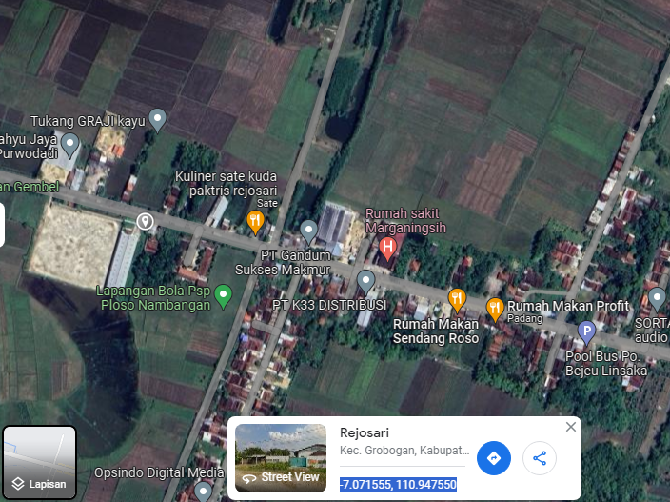

RS TRI MEDIKA KETAPANG

SLD
SINGLE LINE DIAGRAM LOKASI

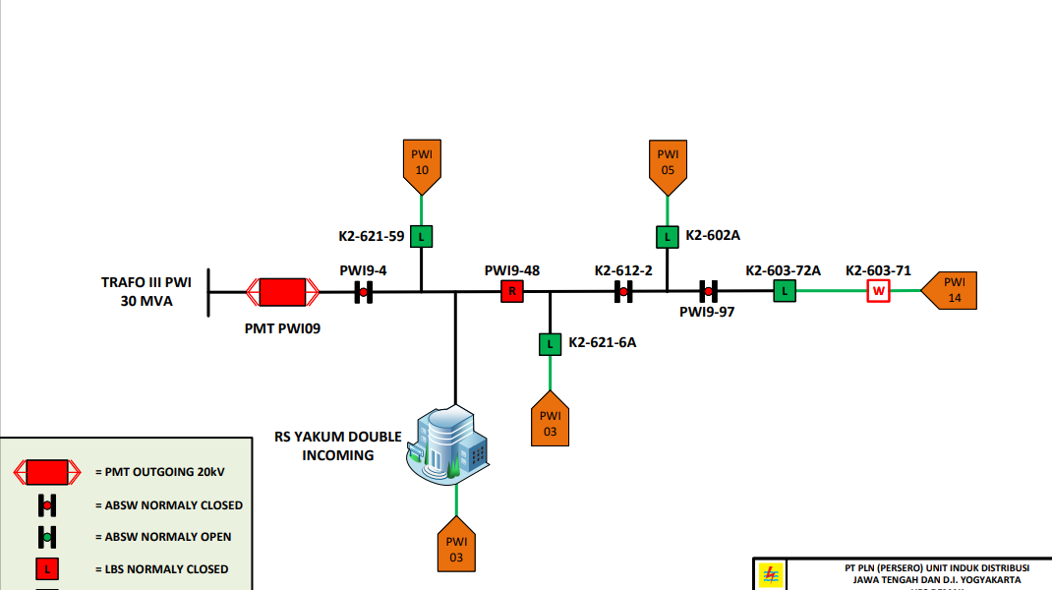

lokasi

